Picture
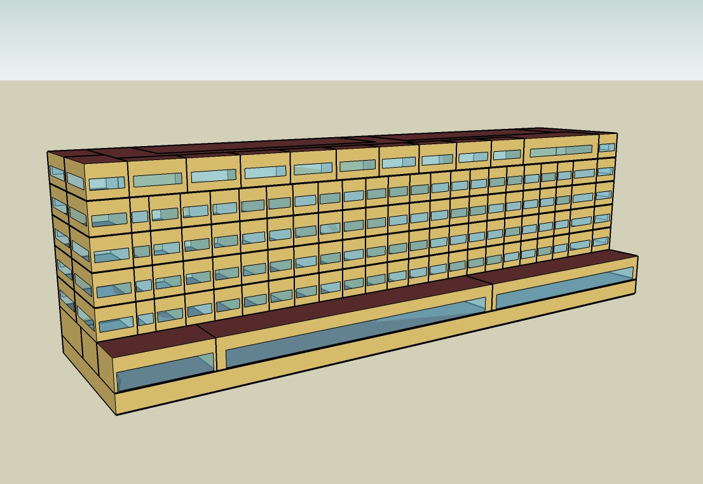
DOE Commercial Building Benchmark - Large Hotel

Electricity
 | Cooling | Interior Lighting | Exterior Lighting | Interior Equipment | Fans | Pumps | Refrigeration
Miami | 1,765,741.67 | 403,711.11 | 15,691.67 | 739,008.33 | 208,244.44 | 31,322.22 | 21,088.89
Houston | 1,332,322.22 | 403,711.11 | 15,686.11 | 739,008.33 | 210,152.78 | 26,005.56 | 20,975.00
Phoenix | 1,198,561.11 | 403,711.11 | 15,683.33 | 739,008.33 | 246,497.22 | 22,163.89 | 20,836.11
Atlanta | 845,211.11 | 403,711.11 | 15,680.56 | 739,008.33 | 209,600.00 | 21,050.00 | 20,913.89
Los Angeles | 610,858.33 | 403,711.11 | 15,669.44 | 739,008.33 | 198,063.89 | 17,755.56 | 20,975.00
Las Vegas | 1,050,625.00 | 403,711.11 | 15,663.89 | 739,008.33 | 238,847.22 | 24,727.78 | 20,761.11
San Francisco | 258,563.89 | 403,711.11 | 15,672.22 | 739,008.33 | 202,175.00 | 13,572.22 | 20,875.00
Baltimore | 690,686.11 | 403,711.11 | 15,663.89 | 739,008.33 | 216,791.67 | 19,383.33 | 20,825.00
Albuquerque | 659,527.78 | 403,711.11 | 15,669.44 | 739,008.33 | 255,075.00 | 20,888.89 | 20,772.22
Seattle | 271,088.89 | 403,711.11 | 15,638.89 | 739,008.33 | 216,886.11 | 14,069.44 | 20,830.56
Chicago | 519,927.78 | 403,711.11 | 15,666.67 | 739,008.33 | 218,522.22 | 17,880.56 | 20,777.78
Boulder | 424,150.00 | 403,711.11 | 15,658.33 | 739,008.33 | 251,183.33 | 16,450.00 | 20,730.56
Minneapolis | 479,200.00 | 403,711.11 | 15,655.56 | 739,008.33 | 222,852.78 | 18,852.78 | 20,727.78
Helena | 328,394.44 | 403,711.11 | 15,652.78 | 739,008.33 | 244,875.00 | 16,822.22 | 20,677.78
Duluth | 265,300.00 | 403,711.11 | 15,644.44 | 739,008.33 | 230,344.44 | 17,038.89 | 20,658.33
Fairbanks | 191,430.56 | 403,711.11 | 15,547.22 | 739,008.33 | 240,788.89 | 19,813.89 | 20,547.22

Gas
 | Heating | Interior Equipment | Water Systems
Miami | 29,600.00 | 1,788,850.00 | 3,870,430.00
Houston | 823,350.00 | 1,788,850.00 | 4,870,730.00
Phoenix | 466,400.00 | 1,788,850.00 | 4,296,160.00
Atlanta | 1,417,190.00 | 1,788,850.00 | 5,834,140.00
Los Angeles | 141,310.00 | 1,788,850.00 | 5,646,860.00
Las Vegas | 742,230.00 | 1,788,850.00 | 4,988,580.00
San Francisco | 839,670.00 | 1,788,850.00 | 6,471,290.00
Baltimore | 2,672,640.00 | 1,788,850.00 | 6,591,400.00
Albuquerque | 1,548,010.00 | 1,788,850.00 | 6,447,820.00
Seattle | 2,088,650.00 | 1,788,850.00 | 6,985,330.00
Chicago | 3,976,800.00 | 1,788,850.00 | 7,256,070.00
Boulder | 2,575,770.00 | 1,788,850.00 | 7,221,360.00
Minneapolis | 5,493,900.00 | 1,788,850.00 | 7,830,350.00
Helena | 4,249,790.00 | 1,788,850.00 | 7,934,640.00
Duluth | 6,810,540.00 | 1,788,850.00 | 8,777,610.00
Fairbanks | 11,490,850.00 | 1,788,850.00 | 9,924,300.00

EUI
 | Cooling (elec) | Interior Lighting (elec) | Exterior Lighting (elec) | Interior Equipment (elec) | Fans (elec) | Pumps (elec) | Refrigeration (elec) | Heating (gas) | Interior Equipment (gas) | Water Systems (gas)
Miami | 560.29 | 128.10 | 4.98 | 234.50 | 66.08 | 9.94 | 6.69 | 2.61 | 157.67 | 341.15
Houston | 422.76 | 128.10 | 4.98 | 234.50 | 66.68 | 8.25 | 6.66 | 72.57 | 157.67 | 429.32
Phoenix | 380.32 | 128.10 | 4.98 | 234.50 | 78.22 | 7.03 | 6.61 | 41.11 | 157.67 | 378.67
Atlanta | 268.20 | 128.10 | 4.98 | 234.50 | 66.51 | 6.68 | 6.64 | 124.91 | 157.67 | 514.23
Los Angeles | 193.83 | 128.10 | 4.97 | 234.50 | 62.85 | 5.63 | 6.66 | 12.46 | 157.67 | 497.73
Las Vegas | 333.38 | 128.10 | 4.97 | 234.50 | 75.79 | 7.85 | 6.59 | 65.42 | 157.67 | 439.70
San Francisco | 82.05 | 128.10 | 4.97 | 234.50 | 64.15 | 4.31 | 6.62 | 74.01 | 157.67 | 570.39
Baltimore | 219.16 | 128.10 | 4.97 | 234.50 | 68.79 | 6.15 | 6.61 | 235.57 | 157.67 | 580.98
Albuquerque | 209.28 | 128.10 | 4.97 | 234.50 | 80.94 | 6.63 | 6.59 | 136.45 | 157.67 | 568.33
Seattle | 86.02 | 128.10 | 4.96 | 234.50 | 68.82 | 4.46 | 6.61 | 184.10 | 157.67 | 615.70
Chicago | 164.98 | 128.10 | 4.97 | 234.50 | 69.34 | 5.67 | 6.59 | 350.52 | 157.67 | 639.57
Boulder | 134.59 | 128.10 | 4.97 | 234.50 | 79.70 | 5.22 | 6.58 | 227.03 | 157.67 | 636.51
Minneapolis | 152.06 | 128.10 | 4.97 | 234.50 | 70.71 | 5.98 | 6.58 | 484.25 | 157.67 | 690.19
Helena | 104.20 | 128.10 | 4.97 | 234.50 | 77.70 | 5.34 | 6.56 | 374.59 | 157.67 | 699.38
Duluth | 84.18 | 128.10 | 4.96 | 234.50 | 73.09 | 5.41 | 6.56 | 600.30 | 157.67 | 773.68
Fairbanks | 60.74 | 128.10 | 4.93 | 234.50 | 76.41 | 6.29 | 6.52 | 1012.83 | 157.67 | 874.75

Water
 | Total Building | Water for Electricity (m3)
Miami | 44,342.19 | 1,687.18
Houston | 44,342.19 | 4,471.09
Phoenix | 44,342.19 | 78,611.50
Atlanta | 44,342.19 | 14,080.40
Los Angeles | 44,342.19 | 35,221.60
Las Vegas | 44,342.19 | 68,402.40
San Francisco | 44,342.19 | 29,033.10
Baltimore | 44,342.19 | 478.16
Albuquerque | 44,342.19 | 9,602.21
Seattle | 44,342.19 | 17,176.80
Chicago | 44,342.19 | 3,002.80
Boulder | 44,342.19 | 8,495.33
Minneapolis | 44,342.19 | 2,947.74
Helena | 44,342.19 | 112,065.00
Duluth | 44,342.19 | 2,624.57
Fairbanks | 44,342.19 | 1,666.20

Carbon
 | Carbon Equivalent (kg)
Miami | 976,017.76
Houston | 1,051,520.00
Phoenix | 917,040.75
Atlanta | 857,695.35
Los Angeles | 371,071.74
Las Vegas | 976,542.86
San Francisco | 357,341.05
Baltimore | 767,647.20
Albuquerque | 1,040,280.00
Seattle | 318,337.38
Chicago | 1,266,720.00
Boulder | 973,181.17
Minneapolis | 922,888.76
Helena | 898,486.10
Duluth | 892,411.88
Fairbanks | 877,330.46

LghtSch
Lighting Schedules
 | WD | Sat | Sun, Hol, Other
 | 0.2 | 0.2 | 0.3
 | 0.15 | 0.2 | 0.3
 | 0.1 | 0.1 | 0.2
 | 0.1 | 0.1 | 0.2
 | 0.1 | 0.1 | 0.2
 | 0.2 | 0.1 | 0.2
 | 0.4 | 0.3 | 0.3
 | 0.5 | 0.3 | 0.4
 | 0.4 | 0.4 | 0.4
 | 0.4 | 0.4 | 0.3
 | 0.25 | 0.3 | 0.3
 | 0.25 | 0.25 | 0.3
 | 0.25 | 0.25 | 0.3
 | 0.25 | 0.25 | 0.2
 | 0.25 | 0.25 | 0.2
 | 0.25 | 0.25 | 0.2
 | 0.25 | 0.25 | 0.2
 | 0.25 | 0.25 | 0.2
 | 0.6 | 0.6 | 0.5
 | 0.8 | 0.7 | 0.7
 | 0.9 | 0.7 | 0.8
 | 0.8 | 0.7 | 0.6
 | 0.6 | 0.6 | 0.5
 | 0.3 | 0.3 | 0.3

RmLghtSch
Guest Room Lighting Schedules
 | WD | Sat, Sun, Hol
 | 0.22 | 0.26
 | 0.17 | 0.26
 | 0.11 | 0.11
 | 0.11 | 0.11
 | 0.11 | 0.11
 | 0.22 | 0.11
 | 0.44 | 0.41
 | 0.56 | 0.41
 | 0.44 | 0.56
 | 0.44 | 0.56
 | 0.28 | 0.41
 | 0.28 | 0.33
 | 0.28 | 0.33
 | 0.28 | 0.33
 | 0.28 | 0.33
 | 0.28 | 0.33
 | 0.28 | 0.33
 | 0.28 | 0.33
 | 0.67 | 0.85
 | 0.89 | 1
 | 1 | 1
 | 0.89 | 1
 | 0.67 | 0.85
 | 0.33 | 0.41

EqpSch
Euipment Schedules
 | WD | Sat | Sun, Hol, Other
 | 0.3 | 0.3 | 0.4
 | 0.25 | 0.3 | 0.4
 | 0.2 | 0.2 | 0.3
 | 0.2 | 0.2 | 0.3
 | 0.2 | 0.2 | 0.3
 | 0.3 | 0.2 | 0.3
 | 0.5 | 0.4 | 0.4
 | 0.6 | 0.4 | 0.5
 | 0.5 | 0.5 | 0.5
 | 0.5 | 0.5 | 0.4
 | 0.35 | 0.4 | 0.4
 | 0.35 | 0.35 | 0.4
 | 0.35 | 0.35 | 0.4
 | 0.35 | 0.35 | 0.3
 | 0.35 | 0.35 | 0.3
 | 0.35 | 0.35 | 0.3
 | 0.35 | 0.35 | 0.3
 | 0.35 | 0.35 | 0.3
 | 0.7 | 0.7 | 0.6
 | 0.9 | 0.8 | 0.8
 | 0.95 | 0.8 | 0.9
 | 0.9 | 0.8 | 0.7
 | 0.7 | 0.7 | 0.6
 | 0.4 | 0.4 | 0.4

RmEqpSch
Guest Room Euipment Schedules
 | WD | Sat, Sun, Hol
 | 0.11 | 0.11
 | 0.11 | 0.11
 | 0.11 | 0.11
 | 0.11 | 0.11
 | 0.11 | 0.11
 | 0.11 | 0.11
 | 0.62 | 0.3
 | 0.9 | 0.62
 | 0.43 | 0.9
 | 0.43 | 0.62
 | 0.26 | 0.29
 | 0.26 | 0.29
 | 0.26 | 0.29
 | 0.26 | 0.29
 | 0.26 | 0.29
 | 0.26 | 0.29
 | 0.26 | 0.29
 | 0.51 | 0.43
 | 0.51 | 0.51
 | 0.49 | 0.49
 | 0.66 | 0.66
 | 0.7 | 0.7
 | 0.35 | 0.35
 | 0.11 | 0.11

OccSch
Occupancy Schedules
 | WD | Sat | Sun, Hol, Other
 | 0.9 | 0.9 | 0.7
 | 0.9 | 0.9 | 0.7
 | 0.9 | 0.9 | 0.7
 | 0.9 | 0.9 | 0.7
 | 0.9 | 0.9 | 0.7
 | 0.9 | 0.9 | 0.7
 | 0.7 | 0.7 | 0.7
 | 0.4 | 0.5 | 0.7
 | 0.4 | 0.5 | 0.5
 | 0.2 | 0.3 | 0.5
 | 0.2 | 0.3 | 0.5
 | 0.2 | 0.3 | 0.3
 | 0.2 | 0.3 | 0.3
 | 0.2 | 0.3 | 0.2
 | 0.2 | 0.3 | 0.2
 | 0.3 | 0.3 | 0.2
 | 0.5 | 0.3 | 0.3
 | 0.5 | 0.5 | 0.4
 | 0.5 | 0.6 | 0.4
 | 0.7 | 0.6 | 0.6
 | 0.7 | 0.6 | 0.6
 | 0.8 | 0.7 | 0.8
 | 0.9 | 0.7 | 0.8
 | 0.9 | 0.7 | 0.8

RmOccSch
Occupancy Schedules
 | WD | Sat, Sun, Hol
 | 1 | 1
 | 1 | 1
 | 1 | 1
 | 1 | 1
 | 1 | 1
 | 1 | 1
 | 0.77 | 0.77
 | 0.43 | 0.53
 | 0.43 | 0.53
 | 0.2 | 0.3
 | 0.2 | 0.3
 | 0.2 | 0.3
 | 0.2 | 0.3
 | 0.2 | 0.3
 | 0.2 | 0.3
 | 0.31 | 0.3
 | 0.54 | 0.3
 | 0.54 | 0.53
 | 0.54 | 0.54
 | 0.77 | 0.65
 | 0.77 | 0.65
 | 0.89 | 0.77
 | 1 | 0.77
 | 1 | 0.77

HeatSch
Heating Set Point Schedules
 | All
 | 21
 | 21
 | 21
 | 21
 | 21
 | 21
 | 21
 | 21
 | 21
 | 21
 | 21
 | 21
 | 21
 | 21
 | 21
 | 21
 | 21
 | 21
 | 21
 | 21
 | 21
 | 21
 | 21
 | 21

CoolSch
Cooling Set Point Schedules
 | All
 | 24
 | 24
 | 24
 | 24
 | 24
 | 24
 | 24
 | 24
 | 24
 | 24
 | 24
 | 24
 | 24
 | 24
 | 24
 | 24
 | 24
 | 24
 | 24
 | 24
 | 24
 | 24
 | 24
 | 24

